Sheet1
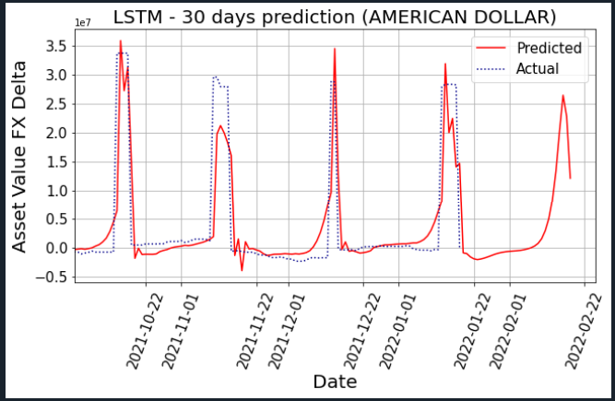
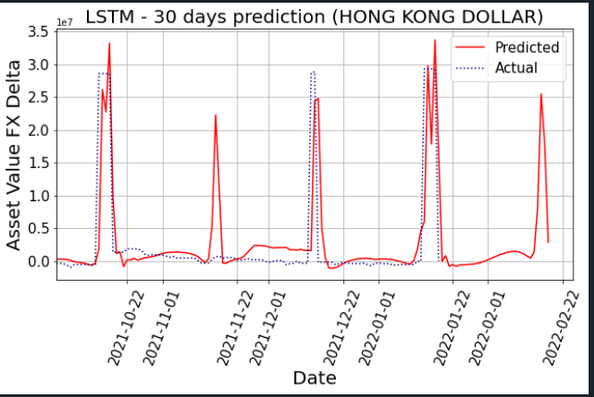
Folio | Currency | Hedge | Period
ROOT/Societe OFI AM/OPCVM/Convertibles/OFI MACIF GLOBAL CONVERTIBLES/ | AMERICAN DOLLAR | 22512310 | 30 (todo)
ROOT/Societe OFI AM/OPCVM/Convertibles/OFI MACIF GLOBAL CONVERTIBLES/ | HONG KONG DOLLAR | 25510132 | 30 (todo)

